Standardization Document
Developer guideline for innerWeb
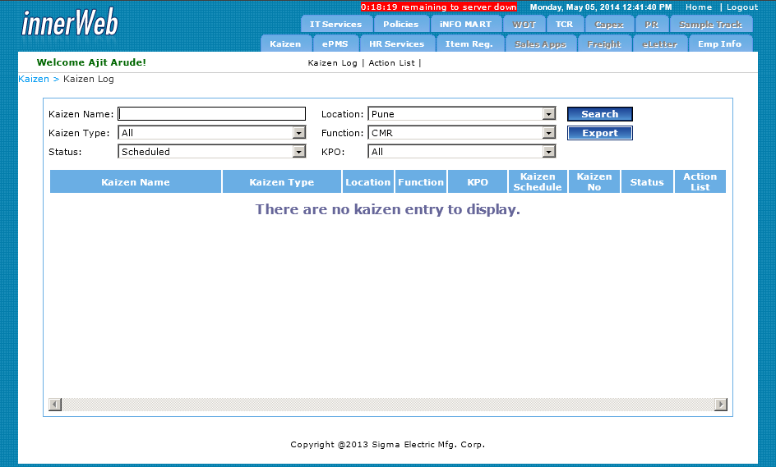
1 |  | Textbox
 |  | CSS Class: search
 |  | When disable then show label
2 |  | DropDown
 |  | CSS Class: search
 |  | When disable then show label
3 |  | Button
 |  | CSS Class: button
4 |  | Table
 |  | Table Border - CSS Class: tablebrdr
 |  | Table Header Row - CSS Class:heading
 |  | table header should be alligned center from vericle and horizontal. First letter should be Capital for each word
5 |  | Grid
 | Row | <RowStyle BackColor="#E4E4E4" HorizontalAlign="Left" />
 |  | <FooterStyle BackColor="#507CD1" Font-Bold="True" ForeColor="White" />
 |  | <PagerStyle BackColor="#003366" ForeColor="White" HorizontalAlign="Center" />
 |  | <SelectedRowStyle BackColor="#D1DDF1" Font-Bold="True" ForeColor="#333333" />
 | header | <HeaderStyle HorizontalAlign="Center" CssClass="heading" />
 | alternet row | <AlternatingRowStyle BackColor="#DEEBFF" />
 |  | <EmptyDataRowStyle Width="100%" BackColor="White" Font-Bold="True" Font-Size="Medium" ForeColor="#666699" />
 |  | Paging, sorting, filtering as per need
 |  | After scroll grid header should visible on screen
6 |  | Page
 | <head> | <script type ="text/javascript" > var screen_height = screen.height; var screen_width = screen.width; if (screen_width == 800 && screen_height == 600) document.write('<link rel="stylesheet" href="../css/commonStyles800.css" type="text/css" media="screen">') ; else if (screen_width == 1024) document.write('<link rel="stylesheet" href="../css/commonStyles1024.css" type="text/css" media="screen">') ; else if (screen_width == 1280) document.write('<link rel="stylesheet" href="../css/commonStyles1280.css" type="text/css" media="screen">') ; else if (screen_width == 1600) document.write('<link rel="stylesheet" href="../css/commonStyles1600.css" type="text/css" media="screen">') ; else document.write('<link rel="stylesheet" href="../css/commonStyles.css" type="text/css" media="screen">') ; </script> | 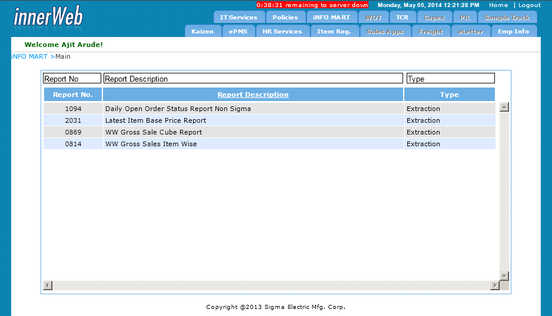
 | <form> | Should have breadcrum. Application name and page navigation sequence like bellow <div id="topbar1">&nbsp;IT Services> <span class="graytext">Services</span> </div>
 | page body | All controls should be under "data" div as bellow. <div id="data">
 | footer | Page footer like bellow with current year. <div id="footer1" align="center">Copyright @2013 Sigma Electric Mfg. Corp.</div>
 | Page_Load | in Page_Load event bellow line should be placed out of Is Not PostBack Response.AppendHeader("Refresh", Convert.ToString((Session.Timeout * 60) - 3) & "; URL=../InnerWebSessionOut1.htm")
 | field Names | First letter in capital for each word except to, in, for, a, the, of etc horizontaly aligned left
 | Date Format | dd-MMM-yy
 | Validations | Mostly use Validation Controls, Javascript. With red * or control border as red. With Validation Summery
 |  | Page should be best fit in 1024 X 768 pix
7 |  | Email
 | From | innerWeb@sigmaelectric.com
 | Email Class | CEmail.vb
 | Body | request/page details in tabuler format including request number as hyper link. After clicking on hyperlink, request should be open for further processing.
 | Subject | Application Name - Request Status
 | Footer line | If only intemation email then footer should like this Pl. note that this email is auto generated. Do not reply. If email for mail base approval This is a system generated mail, if you want to approve this request, please reply to this email without changing any content.
 | Email Faillog | Mail Fail log Always save on this location. C:\\innerWeblog\\emailFailLog.txt & in faillog entry should have ToEmailIds- & Subject Line-
8 |  | Code
 | Architecture | BusinessLogic, BusinessObject, DAL
 | Variable Declaration | Camel fation. E.g. mDeptName, mCompCode
9 |  | Database
 | Object | Each object name should start with abbreviation of project name ITS_DeptMaster
 |  | Use of Stored Procedures and call them from application DAL
10 |  | Disable Submit Button After first Click (not allow double click)
 |  | Use below javascript OnClientClick of button in Webform Application
 |  | <script language="javascript" type="text/javascript"> function DisableMe(obj) { debugger; if (typeof (Page_ClientValidate) == 'function' && Page_ClientValidate() == false) { return false; } document.getElementById('<%=btnSubmit.ClientID %>').disabled = true; __doPostBack('btnSubmit', 'OnClick'); return true; } </script>

 |  | Use below jquery in Asp.net MVC Application

